Лист1
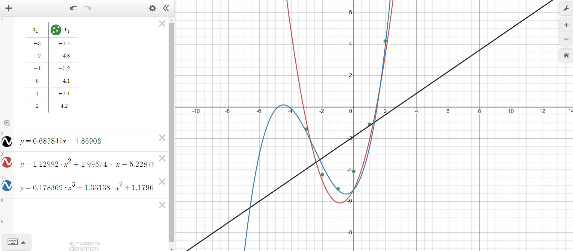
conditions |  | k = 1 |  | k = 2 |  | k = 3
-3 | -1.4 | -3 | -3.92646 | -3 | -1.04672 | -3 | -1.631943
-2 | -4.3 | -2 | -3.24065 | -2 | -4.70058 | -2 | -3.720222
-1 | -5.2 | -1 | -2.55484 | -1 | -6.0946 | -1 | -5.286169
0 | -4.1 | 0 | -1.86903 | 0 | -5.22878 | 0 | -5.25957
1 | -1.1 | 1 | -1.18322 | 1 | -2.10312 | 1 | -2.570211
2 | 4.2 | 2 | -0.49741 | 2 | 3.28238 | 2 | 3.852122

